Trend of Academic Pressure
Trend of Academic Pressure by Age
Row Labels | Sum of academic_pressure
20 | 122
19 | 76
18 | 39
21 | 38
22 | 28
17 | 14
23 | 7
26 | 5
Grand Total | 329

Sport Engagement
Sport Engagement Analysis
Row Labels | Count of sports_engagement
Postgraduate | 2
Undergraduate | 85
Grand Total | 87

Study Satisfaction
Top 5 Study Statisfaction University
Row Labels | Sum of study_satisfaction
PU | 220
UET | 39
COMSATS | 35
FAST | 24
UMT | 8
Grand Total | 326

Finace Concern
Finance Concern Analysis by Edu Level
Row Labels | Sum of financial_concerns
1st year | 39.32%
3rd year | 32.54%
2nd year | 15.25%
4th year | 12.88%
Grand Total | 100.00%

Anxiety count
Sum of Emotion by Anxiety
Row Labels | Sum of anxiety
1st year | 106
3rd year | 101
4th year | 39
2nd year | 34
Grand Total | 280

Isolation count
Sum of Isolation by Edu Level
Row Labels | Sum of isolation
1st year | 119
3rd year | 97
4th year | 37
2nd year | 29
Grand Total | 282

Uni Workload
Workload Analysis by University
Row Labels | Sum of academic_workload
UOL | 2
FAST | 29
KUST | 5
COMSATS | 37
NUST | 4
PU | 207
VU | 4
UET | 44
UMT | 6
Grand Total | 338

Depression count
Analysis of Emotion by Depression
Row Labels | Sum of depression
1st year | 113
3rd year | 95
4th year | 38
2nd year | 34
Grand Total | 280

DASHBOARD
338
Total Workload
CITADEL UNIVERSITY MENTAL HEALTH ANALYSIS FOR 2ND SEMESTER 2022/2023

Workload Analysis by University
 | Total
UOL | 2
FAST | 29
KUST | 5
COMSATS | 37
NUST | 4
PU | 207
VU | 4
UET | 44
UMT | 6
Finance Concern Analysis by Edu Level
 | Total
1st year | 39.32%
3rd year | 32.54%
2nd year | 15.25%
4th year | 12.88%

UNIVERSITY WITH TOP WORKLOAD
"PU (207)"



EDU. LEVEL WITH HIGHEST ISOLATION
"1st Year (119)"


Sum of Isolation by Edu Level
 | Total
1st year | 119
3rd year | 97
4th year | 37
2nd year | 29
Sport Engagement Analysis
 | Total
Postgraduate | 2
Undergraduate | 85
Analysis of Emotion by Depression
 | Total
1st year | 113
3rd year | 95
4th year | 38
2nd year | 34

EDU. LEVEL WITH TOP FINANCE CONCERN
"1st Year (39.3%)"


Sum of Emotion by Anxiety
 | Total
1st year | 106
3rd year | 101
4th year | 39
2nd year | 34
Trend of Academic Pressure by Age
 | Total
20 | 122
19 | 76
18 | 39
21 | 38
22 | 28
17 | 14
23 | 7
26 | 5
TOP MOST PRESSURED AGE
"Age 20"
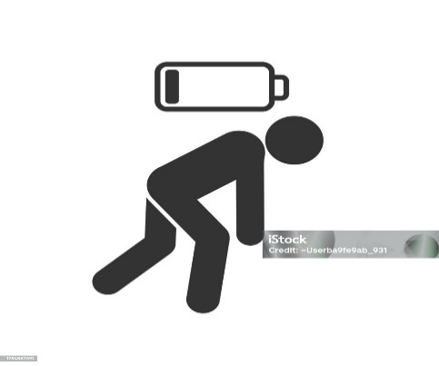

EDU. LEVEL WITH HIGHEST ANXIETY
"1st Year"

OBSAVATIONS & RECOMMENDATION
Mental Health Analysis for Citadel University
As part of my continued development in data analytics with Vephla University (Data School), I recently conducted a comprehensive mental health analysis for Citadel University, focusing on the second semester of the 2022/2023 academic year. The dataset for this analysis was sourced from Kaggle.com, and my objective was to extract key insights into students' mental health patterns and behaviors. The goal was to provide actionable recommendations to support and promote better mental health practices within the student community.
Key Findings:
Institution with the Highest Workload: PU, with an average of 207 sessions per semester.
Most Isolated Educational Level: First-year students, with 119 individuals reported as victims of isolation.
Educational Level with Highest Financial Concerns: First-year students, with 39.3% of the cohort expressing concerns about finances.
Most Pressured Age Group: 20-year-olds, with 122 students experiencing significant pressure.
Educational Level with Highest Anxiety: First-year students, with 106 individuals suffering from anxiety.
Educational Level with Highest Depression Rates: First-year students, with 113 individuals affected by depression.
Recommendations:
Manage Workload: Balance academic workloads by reviewing course demands, offering flexible deadlines, and conducting time management workshops.
Reduce Social Isolation: Implement peer mentorship programs and encourage participation in clubs and social events to help first-year students integrate.
Address Financial Concerns: Provide financial literacy workshops and promote access to financial aid, scholarships, and employment resources.
Relieve Pressure: Offer stress management workshops, mindfulness training, and improve access to counseling services for high-pressure age groups.
Combat Anxiety: Increase accessibility to mental health resources like counseling, mindfulness programs, and stress-relief events during exams.
Manage Depression: Provide regular mental health check-ins, peer support networks, and train resident assistants to identify and support students with depression.
Recommended Activities:
Establish a Peer mentorship and student support groups
Provide 24/7 mental health hotline and online support
Conduct Mental health awareness campaigns and stress-relief workshops
Organize periodic “Wellness Days” where students can participate in stress-relieving activities like yoga, meditation, group fitness classes, or creative sessions (painting, music, etc.).
Dataset Source: Kaggle.com
Tools Used: Microsoft Excel
Analysis Conducted by: Bayere Reuben Ayodeji, under the mentorship of Vephla University Data School
#VephlaUniversity #Kaggle #DataAnalytics #MentalHealth

